Sheet1
 |  | Document No. | Issue No. | Issue Date |  | Review and Replace Date |  | Authorised By
 |  | GFF382MC | 1 | 27.03.2023 |  | New Issue
 |  | Document Title | CHILLI CON CARNE WITH BROWN RICE 400G
 |  | New tray, new recipes |  |  | Page |  | 1 of 1 | Magda Shah
Document amendments reason for change |  |  |  |  | Previous Issue Date |  | New Issue | Uncontrolled copy unless signed original

FBBCR2-R8TMC | MINDFUL CHEF |  | CHILLI CON CARNE WITH BROWN RICE 400G | FROZEN
STEP 1 |  |  |  |  | STEP 2
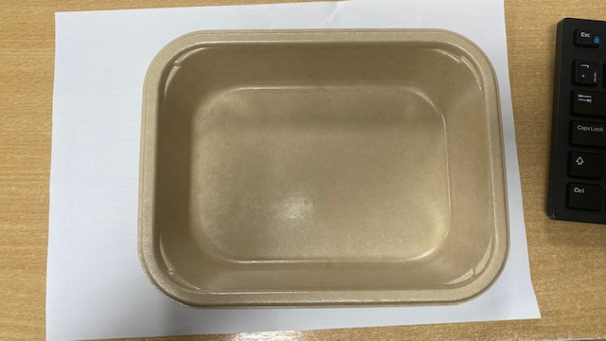 |  |  |  |  | 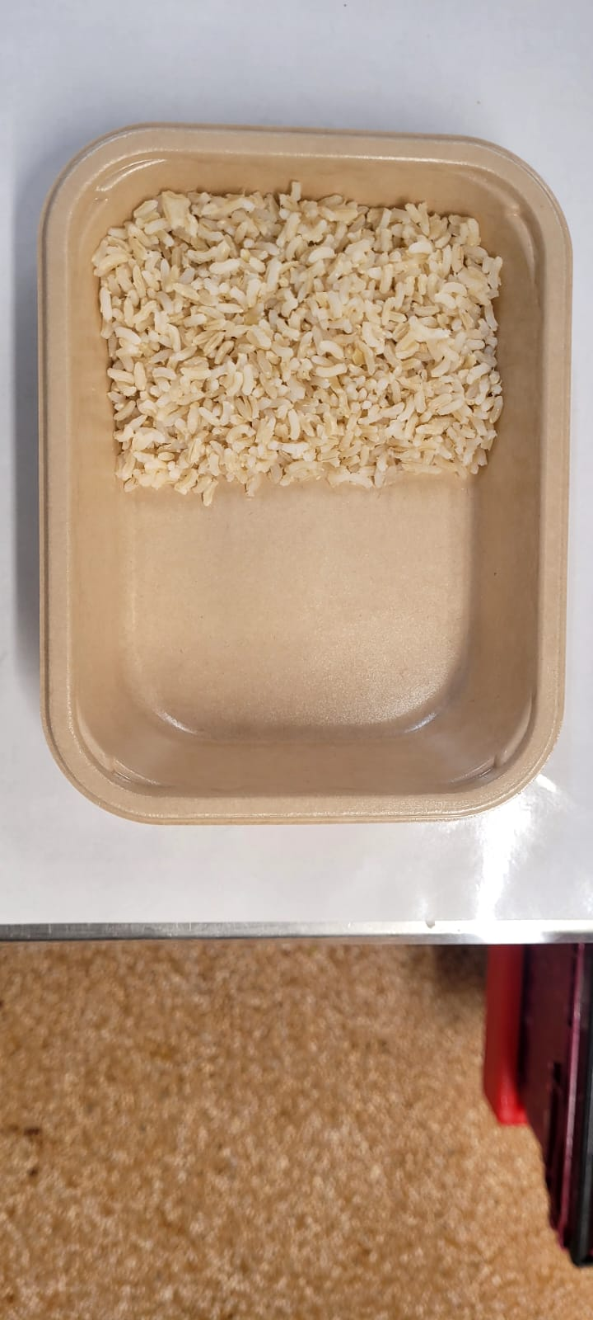

NEW
RECIPES

PACK DAY + 1 YEAR NON-MAP PACK

Tray: Flat Tray-PET Fresh Fibre Food Tray (200 x 155 x 39)-PKHUH001-01 |  |  |  |  | Brown Rice NEW (MC) (GFF434R): 100g
Film: K peel 7G+25A/f-275mm-(PKKMP001-03)

 |  |  |  |  |  |  | 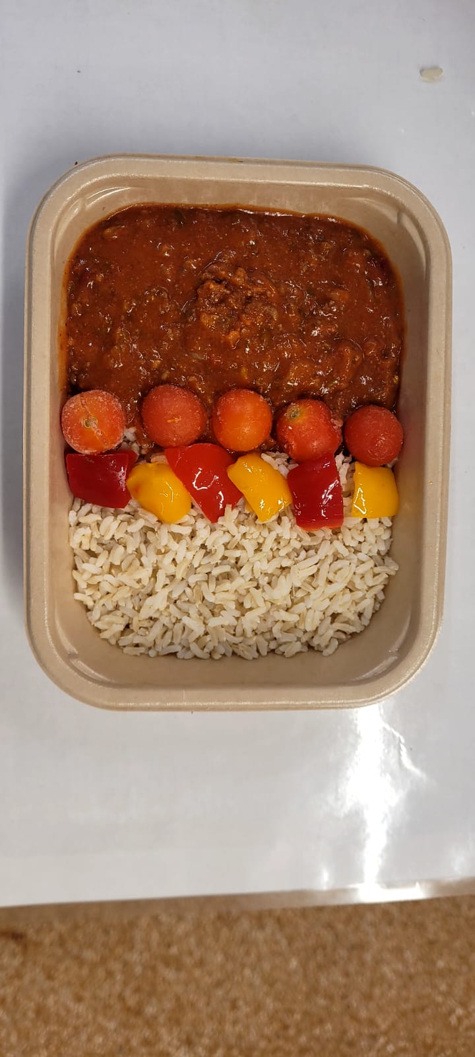

Chilli Con Carne NEW (MC) (GFF435R): 240g |  |  | Whole Cherry Tomato (RMFOO001-12) 40g |  |  |  | Roasted Mixed Peppers (MC) (GFF436R): 20g |  | TOTAL WEIGHT: 400g

ALLERGY ALERT: Soya

